5
5. The file Stock Price NVDA MSFT.xlsx contains daily closing prices for technology companies Nvidia (NVDA) and Microsoft (MSFT) in the past year (2024/8-2025/8).

(a) Develop a scatter diagram with NVDA stock price on the horizontal axis and MSFT stock price on the vertical axis. What appears to be the relationship between these two stock prices?
(b) Compute and interpret sample correlation coefficient. What does this value indicate about the relationship between these two stock prices.

a | There appears to be positive relationship but it's highly concentrated between $100,000 and $150,000
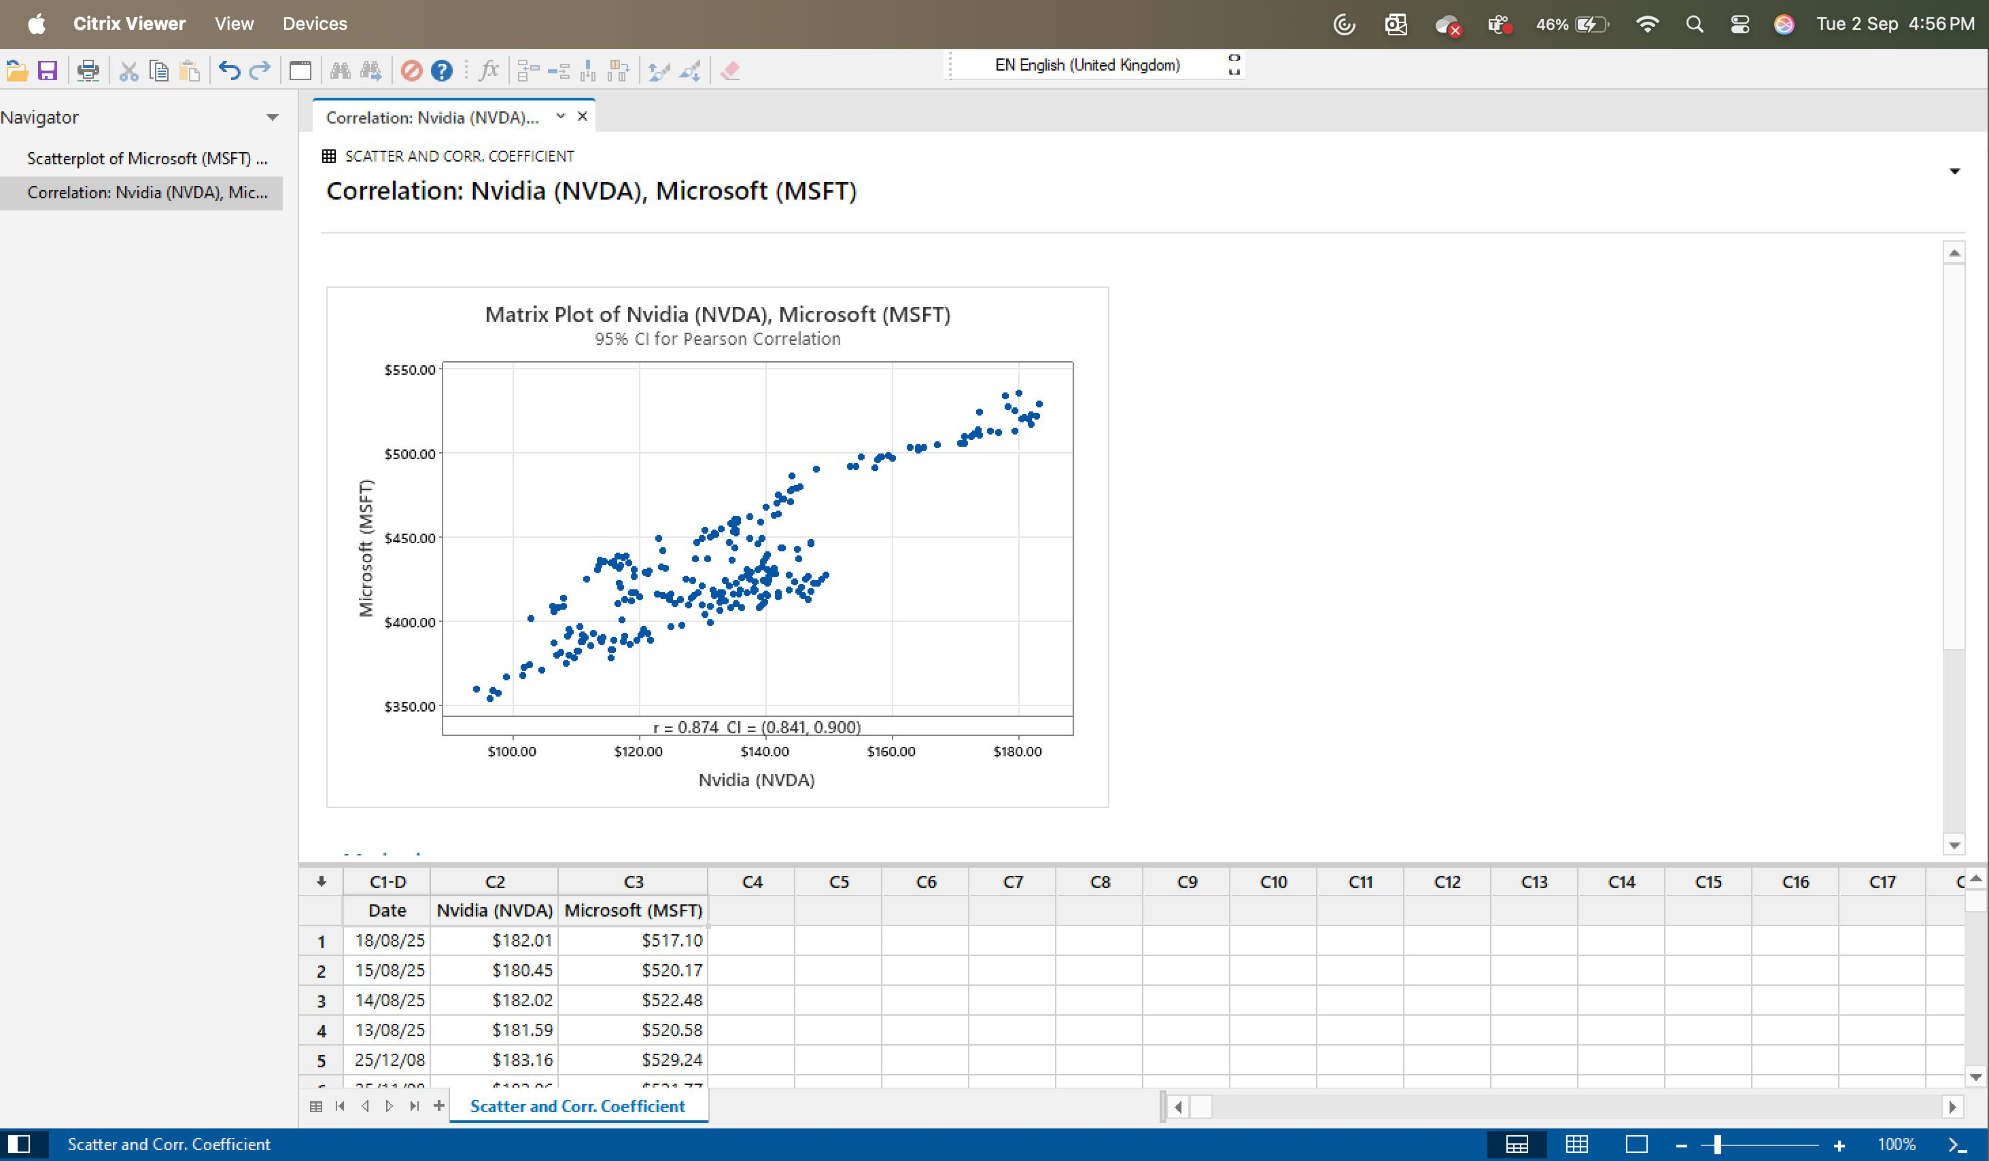

b | Correlation Coefficient
 | It appears to be positive relationship

